RemovebyPosition
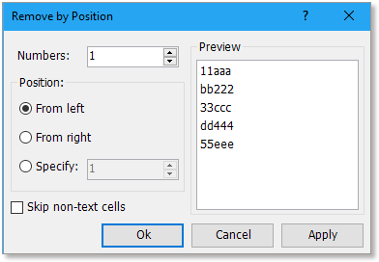
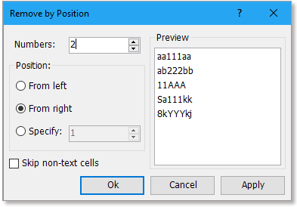
Data1 | Data2
111aaa | aa111aa23
bbb222 | ab222bb12
333ccc | 11AAA34
ddd444 | Sa111kksd
555eee | 8kYYYkjsd

Before trying the Remove by Position utility, you need to download the Kutools for Excel firstly.
Then you not only can use the Remove by Position utility, also can try other 300+ advanced utilities for 30-day trial.
Go to free download now!

RemoveChars
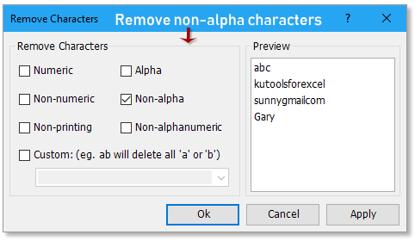
Data
12345abc
kutools for excel 22.0
sunny@gmail.com
Gary 00122

Go to free download now!

